Gantt Chart
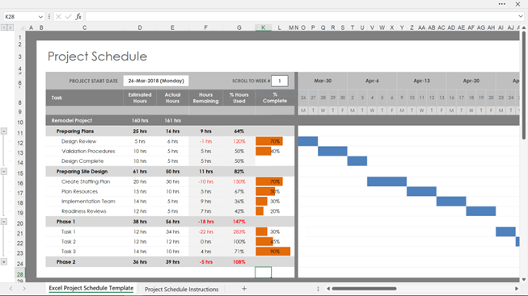
 | Project : | Resource | Duration | Start | End | Sprint 1 |  |  |  |  |  |  |  |  |  |  |  |  |  | Sprint 2 |  |  |  |  |  |  |  |  |  |  |  |  |  | Sprint 3 |  |  |  |  |  |  |  |  |  |  |  |  |  | Sprint 4 |  |  |  |  |  |  |  |  |  |  |  |  |  | Sprint 5 |  |  |  |  |  |  |  |  |  |  |  |  |  | Sprint 6 |  |  |  |  |  |  |  |  |  |  |  |  |  | Sprint 7 |  |  |  |  |  |  |  |  |  |  |  |  |  | Sprint 7
Ref | Phase, User Story/Task | Role or person | Days | Date | Date | 1 | 2 | 3 | 4 | 5 | 6 | 7 | 8 | 9 | 10 | 11 | 12 | 13 | 14 | 1 | 2 | 3 | 4 | 5 | 6 | 7 | 8 | 9 | 10 | 11 | 12 | 13 | 14 | 1 | 2 | 3 | 4 | 5 | 6 | 7 | 8 | 9 | 10 | 11 | 12 | 13 | 14 | 1 | 2 | 3 | 4 | 5 | 6 | 7 | 8 | 9 | 10 | 11 | 12 | 13 | 14 | 1 | 2 | 3 | 4 | 5 | 6 | 7 | 8 | 9 | 10 | 11 | 12 | 13 | 14 | 1 | 2 | 3 | 4 | 5 | 6 | 7 | 8 | 9 | 10 | 11 | 12 | 13 | 14 | 1 | 2 | 3 | 4 | 5 | 6 | 7 | 8 | 9 | 10 | 11 | 12 | 13 | 14 | 1 | 2 | 3 | 4 | 5 | 6 | 7 | 8 | 9 | 10 | 11 | 12 | 13 | 14
UA_01 | Contact Management: Sales representatives can manage customer contacts easily. |  | 20 | 02/09/2024 | 27/09/2024
US_05 | Display Customer Contacts List |  | 3 | 02/09/2024 | 04/09/2024
TSK_05_01 | UX Design - Contacts List Page | Rachel | 1 | 02/09/2024 | 02/09/2024
TSK_05_02 | Contacts List Page development | Lisa | 1 | 02/09/2024 | 03/09/2024
TSK_05_03 | Display Customer Contacts List Data | Mark | 1,5 | 03/09/2024 | 04/09/2024
TSK_05_04 | QA page | Alex | 0.5 | 04/09/2024 | 04/09/2024
US_06 | Individual Customer Contact |  | 3 | 05/09/2024 | 09/09/2024
US_07 | Add New Contact Details |  | 3 | 10/09/2024 | 12/09/2024
US_08 | Edit Contact Details |  | 3 | 13/09/2024 | 17/09/2024
US_09 | Delete Contacts |  | 3 | 18/09/2024 | 20/09/2024
US_10 | Import Contacts |  | 3 | 23/09/2024 | 25/09/2024
US_11 | Export Contacts |  | 2 | 26/09/2024 | 27/09/2024
US_02 | Sales Opportunity Tracking: Users can track sales opportunities and update their status. |  | 10 | 30/09/2024 | 11/10/2024
US_03 | Reporting and Analytics: Sales managers can gain insights into team performance and customer interactions. |  | 30 | 14/10/2024 | 22/11/2024
US_04 | Integration and Automation: CRM integrated with Outlook email & calendar, sales staff receive automated reminders about meetings and tasks |  | 20 | 25/11/2024 | 20/12/2024

